Q3
 | Pesko Part-time Workers Weekly Pay

 | Staff ID | Surname | Initial | Hours Worked | Pay | Nat Ins | Tax | Pension | Final Pay
 | M/141 | Abbot | R | 16 | £157.92 | £9.95 | £31.58 | £6.00 | £110.39
 | M/289 | Arlington | T | 18 | £177.66 | £11.19 | £35.53 | £6.75 | £124.18
 | F/112 | Brown | H | 23 | £227.01 | £14.30 | £45.40 | £8.63 | £158.68
 | F/219 | Davies | F | 19 | £187.53 | £11.81 | £37.51 | £7.13 | £131.08
 | F/881 | Davis | G | 18 | £177.66 | £11.19 | £35.53 | £6.75 | £124.18
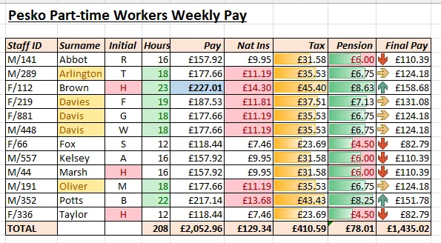
 | M/448 | Davis | W | 18 | £177.66 | £11.19 | £35.53 | £6.75 | £124.18
 | F/66 | Fox | S | 12 | £118.44 | £7.46 | £23.69 | £4.50 | £82.79
 | M/557 | Kelsey | A | 16 | £157.92 | £9.95 | £31.58 | £6.00 | £110.39
 | M/44 | Marsh | H | 16 | £157.92 | £9.95 | £31.58 | £6.00 | £110.39
 | M/191 | Oliver | M | 18 | £177.66 | £11.19 | £35.53 | £6.75 | £124.18
 | M/352 | Potts | B | 22 | £217.14 | £13.68 | £43.43 | £8.25 | £151.78
 | F/336 | Taylor | H | 12 | £118.44 | £7.46 | £23.69 | £4.50 | £82.79
 | TOTAL |  |  | 208 | £2,052.96 | £129.34 | £410.59 | £78.01 | £1,435.02

Cond formats in cols: | Females | Contain letter "l" | H | >=18 | Top 10% | >average | data bars | Mixed | icom set

